Sheet 1
THE FUNCTION MACHINE

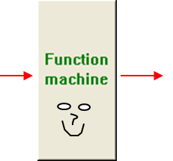

Input (x) | Output (y)

In this exercise you will be given a function machine.
You will be given x values (input numbers) and y values (output numbers).
Your job is to find out what the function (operator) is in the machine.

Remember to write expressions like 3x+1 with no spaces or multiplication signs.
Use a / mark to divide, e.g. 6/2 = 3. Do not multiply by decimals.
To raise something to a power, write x^2, with a carat to describe the power.

Click on Sheet 2 below to continue ….

